raw_file_status
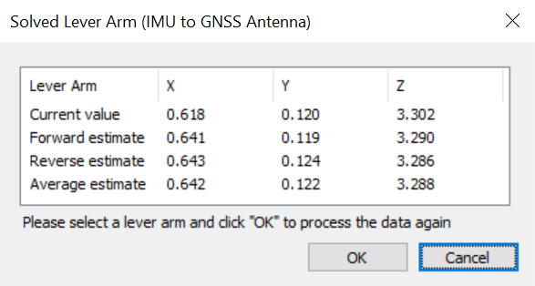
Flight | Filename | Size |  | Files | PPP | LC (GPS and not UTC time!) | TC (FINAL LEVER ARMS, GPS and not UTC time!)
F02 | ./20231211/ie_field22_20231211_054600/GPS_Novatel_raw_aq-field22_20231211_054600.gps | 489596081 |  | Yes | ie_field22_20231211_054600.txt |  | ie_field22_20231211_054600_TC_final2.OUT
 |  |  |  |  |  |  | ie_field22_20231211_TC.OUT

F02 | ./20231211/ie_field23_20231211_053137/GPS_Novatel_raw_aq-field23_20231211_053137.gps | 20254720 | Combined
F02 | ./20231211/ie_field23_20231211_054806/GPS_Novatel_raw_aq-field23_20231211_054806.gps | 253382656 | Combined |  |  | NO IMU DATA | NO IMU DATA
F02 | ./20231211/ie_field23_20231211/GPS_Novatel_raw_aq-field23_20231211.gps |  |  | Yes | ie_field23_20231211.txt

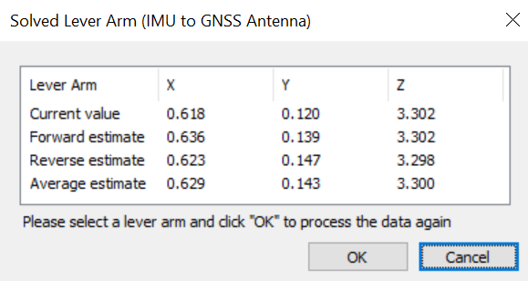
F03 | ./20231212/ie_field22_20231212_022421/GPS_Novatel_raw_aq-field22_20231212_022421.gps | 155250688 | Combined
F03 | ./20231212/ie_field22_20231212_034157/GPS_Novatel_raw_aq-field22_20231212_034157.gps | 1066834381 | Combined |  |  |  | ie_field22_20231212_TC_final2.OUT
F03 | ./20231212/ie_field22_20231212/GPS_Novatel_raw_aq-field22_20231212.gps |  |  | Yes | ie_field22_20231212.txt |  | ie_field22_20231212_TC.OUT

F03 | ./20231212/ie_field23_20231212_022541/GPS_Novatel_raw_aq-field23_20231212_022541.gps | 148226048 | Combined
F03 | ./20231212/ie_field23_20231212_034229/GPS_Novatel_raw_aq-field23_20231212_034229.gps | 1067964164 | Combined |  |  | GNSS DATA BAD | GNSS DATA BAD
F03 | ./20231212/ie_field23_20231212/GPS_Novatel_raw_aq-field23_20231212.gps |  |  | Yes | BAD RESULTS

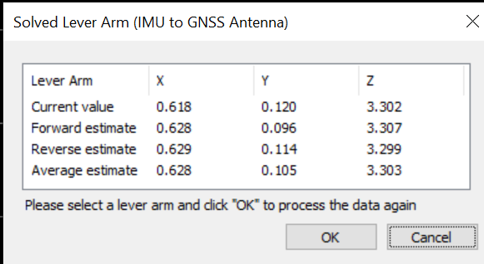
F05 | ./20231221/ie_field22_20231221_191402/GPS_Novatel_raw_aq-field22_20231221_191402.gps | 930708098 |  | Yes | ie_field22_20231221_191402.txt |  | ie_field22_20231221_191402_TC_final2.OUT
 |  |  |  |  |  |  | ie_field22_20231221_TC.OUT

F05 | ./20231221/ie_field23_20231221_202001/GPS_Novatel_raw_aq-field23_20231221_202001.gps | 951554916 |  | Yes | ie_field23_20231221_202001.txt

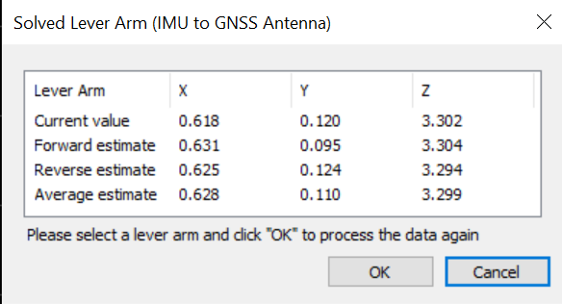
F06 | ./20231224/ie_field22_20231224_190814/GPS_Novatel_raw_aq-field22_20231224_190814.gps | 967571081 |  | Yes | ie_field22_20231224_190814.txt |  | ie_field22_20231224_190814_TC_final2.OUT
 |  |  |  |  |  |  | ie_field22_20231224_TC.OUT

F06 | ./20231224/ie_field23_20231224_193322/GPS_Novatel_raw_aq-field23_20231224_193322.gps | 918050666 |  | Yes | ie_field23_20231224_193322.txt

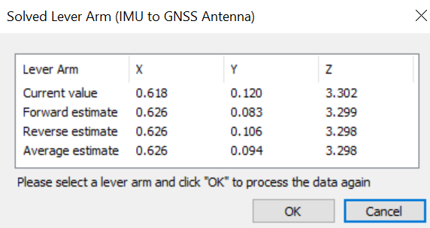
F07 | ./20231225/ie_field22_20231225_192149/GPS_Novatel_raw_aq-field22_20231225_192149.gps | 1090946850 |  | Yes | ie_field22_20231225_192149.txt |  | ie_field22_20231225_192149_TC_final2.OUT
 |  |  |  |  |  |  | ie_field22_20231225_TC.OUT

F07 | ./20231225/ie_field23_20231225_195409/GPS_Novatel_raw_aq-field23_20231225_195409.gps | 890042754 |  | Yes | ie_field23_20231225_195409.txt

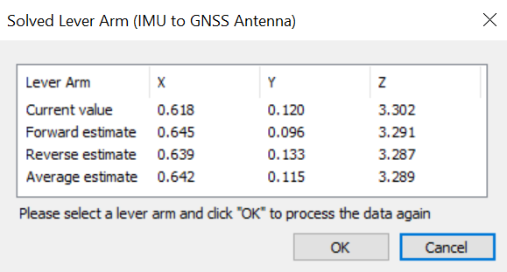
F08 | ./20231226/ie_field22_20231227_004324/GPS_Novatel_raw_aq-field22_20231227_004324.gps | 812073810 |  | Yes | ie_field22_20231227_004324.txt |  | ie_field22_20231227_004324_TC_final2.OUT
 |  |  |  |  |  |  | ie_field22_20231227_004324_TC.OUT

F08 | ./20231226/ie_field23_20231227_004523/GPS_Novatel_raw_aq-field23_20231227_004523.gps | 818248801 |  | Yes | ie_field23_20231227_004523.txt

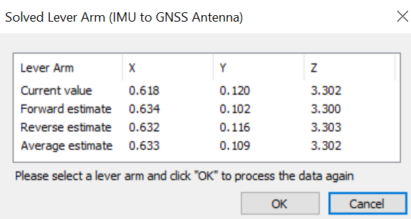
F09 | ./20231227/ie_field22_20231227_190855/GPS_Novatel_raw_aq-field22_20231227_190855.gps | 1186229843 |  | Yes | ie_field22_20231227_190855.txt |  | ie_field22_20231227_190855_TC_final2.OUT
 |  |  |  |  |  |  | ie_field22_20231227_190855_TC.OUT

F09 | ./20231227/ie_field23_20231227_190940/GPS_Novatel_raw_aq-field23_20231227_190940.gps | 92467200 | Combined
F09 | ./20231227/ie_field23_20231227_200818/GPS_Novatel_raw_aq-field23_20231227_200818.gps | 955936768 | Combined
F09 | ./20231227/ie_field23_20231227/GPS_Novatel_raw_aq-field23_20231227.gps |  |  | Yes | ie_field23_20231227.txt

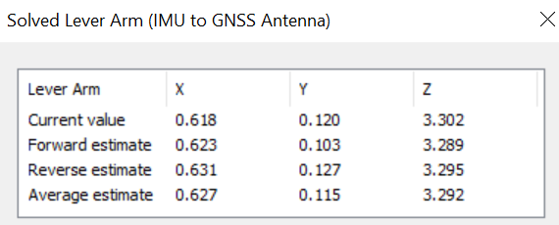
F10 | ./20231228/ie_field22_20231228_220205/GPS_Novatel_raw_aq-field22_20231228_220205.gps | 1035339072 |  | Yes | ie_field22_20231228_220205.txt |  | ie_field22_20231228_220205_TC_final2.OUT
 |  |  |  |  |  |  | ie_field22_20231228_220205_TC.OUT

F10 | ./20231228/ie_field23_20231228_220301/GPS_Novatel_raw_aq-field23_20231228_220301.gps | 66502656 | Combined
F10 | ./20231228/ie_field23_20231228_223218/GPS_Novatel_raw_aq-field23_20231228_223218.gps | 968508065 | Combined
F10 | ./20231228/ie_field23_20231228/GPS_Novatel_raw_aq-field23_20231228.gps |  |  | Yes | ie_field23_20231228.txt

F11 | ./ie_field22_20231229/GPS_Novatel_raw_aq-field22_20231229_190713.gps | 84324352 | Combined
F11 & F12 | ./ie_field22_20231229/GPS_Novatel_raw_aq-field22_20231229_194405.gps | 1677573539 | Combined |  |  |  | ie_field22_20231229_TC_final2.OUT
F11 & F12 | ./20231229/ie_field22_20231229/GPS_Novatel_raw_aq-field22_20231229.gps |  |  | Yes | ie_field22_20231229.txt |  | ie_field22_20231229_TC.OUT

F11 | ./ie_field23_20231229/GPS_Novatel_raw_aq-field23_20231229_190814.gps | 71675904 | Combined
F11 & F12 | ./ie_field23_20231229/GPS_Novatel_raw_aq-field23_20231229_194508.gps | 755201026 | Combined
F11 & F12 | ./20231229/ie_field23_20231229/GPS_Novatel_raw_aq-field23_20231229.gps |  |  | Yes | ie_field23_20231229.txt

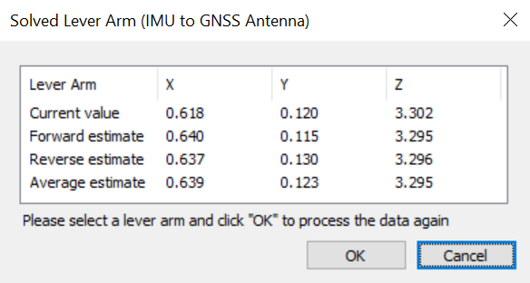
F13 & F14 | 20240104\ie_field22_20240104\GPS_Novatel_raw_aq-field22_20240104_190410.gps |  |  | Yes | ie_field22_20240104.txt |  | ie_field22_20240104_TC_final2.OUT
 | (ACCIDENTALLY MISNAMED IE PROJECT 20240105) |  |  |  |  |  | ie_field22_20240104_TC.OUT

F13 | GPS_Novatel_raw_aq-field23_20240104_190431.gps |  | Combined | Yes | ie_field23_20240104.txt |  | ie_field23_20240104_TC_final2.OUT
F14 | GPS_Novatel_raw_aq-field23_20240105_013549.gps |  | Combined

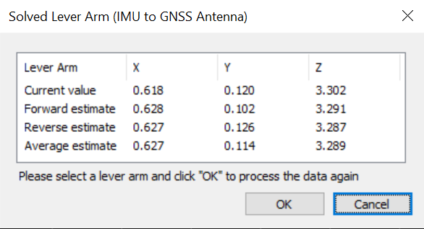
F15 & F16 | GPS_Novatel_raw_aq-field22_20240105_190226.gps |  |  | Yes | ie_field22_20240105.txt |  | ie_field22_20240105_TC_final2.OUT
 |  |  |  |  |  |  | ie_field22_20240105_TC.OUT

F15 | GPS_Novatel_raw_aq-field23_20240105_190313.gps |  | Combined | Yes | ie_field23_20240105.txt |  | ie_field23_20240105_190313_TC_final2.OUT
F16 | GPS_Novatel_raw_aq-field23_20240106_012434.gps |  | Combined |  |  |  | ie_field23_20240105_012434_TC_final2.OUT

F17 | GPS_Novatel_raw_aq-field22_20240107_192036.gps |  |  | Yes | ie_field22_20240107.txt |  | ie_field22_20240107_TC_final2.OUT
 |  |  |  |  |  |  | ie_field22_20240107_TC.OUT
F17 | GPS_Novatel_raw_aq-field23_20240107_192627.gps |  | Combined
F17 | GPS_Novatel_raw_aq-field23_20240107_200102.gps |  | Combined
F17 | GPS_Novatel_raw_aq-field23_20240107_201829.gps |  | Combined |  |  |  | ie_field23_20240107_TC_final2.OUT
 | GPS_Novatel_raw_aq-field23_20240107.gps |  |  | Yes | ie_field23_20240107.txt

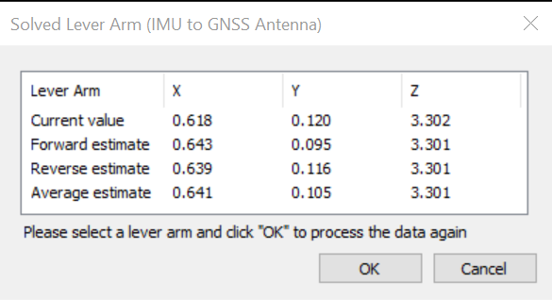
F18 | GPS_Novatel_raw_aq-field22_20240108_192108.gps |  |  | Yes | ie_field22_20240108.txt |  | ie_field22_20240108_TC_final2.OUT
 |  |  |  |  |  |  | ie_field22_20240108_TC.OUT

 | GPS_Novatel_raw_aq-field23_20240108_192208.gps |  |  | Yes | ie_field23_20240108.txt |  | ie_field23_20240108_TC_final2.OUT

F19 | GPS_Novatel_raw_aq-field22_20240109_192906.gps |  |  | Yes | ie_field22_20240109.txt |  | ie_field22_20240109_TC_final2.OUT
 |  |  |  |  |  |  | ie_field22_20240109_TC.OUT

F19 | GPS_Novatel_raw_aq-field23_20240109_192956.gps |  |  | Yes | ie_field23_20240109.txt |  | ie_field23_20240109_TC_final2.out

F20/F21 |  |  |  | Yes | ie_field22_20240111.txt |  | ie_field22_20240111_TC_final2.OUT
 |  |  |  |  |  |  | ie_field22_20240111_TC.OUT

F20/F21 |  |  |  | Yes | ie_field23_20240111.txt |  | IMU issues due to file concatenation

F22 |  |  |  | Yes | ie_field22_20240112.txt |  | ie_field22_20240112_TC_final2.OUT
 |  |  |  |  |  |  | ie_field22_20240112_TC.OUT

F22 |  |  |  | Yes | ie_field23_20240112.txt |  | IMU issues due to file concatenation
 |  |  |  |  | ie_field23_20240112_212453.txt |  | ie_field23_20240112_212453_TC_final2.out

